1 | World Populations I
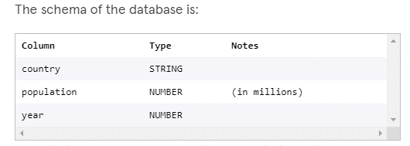
 | Count | year | Count | Country | Total Count | Year | Country | Population
 | 1 | 2000 | 1 | Mexico | 9 | 2010 | Indonesia | 242.96834
 | 2 | 2001 | 2 | United States |  | 2000 | Indonesia | 214.67661
 | 3 | 2002 | 3 | Brazil
 | 4 | 2003 | 4 | Russia |  |  | Difference | 28
 | 5 | 2004 | 5 | Nigeria
 | 6 | 2005 | 6 | Bangladesh
 | 7 | 2006 | 7 | China
 | 8 | 2007 | 8 | India
 | 9 | 2008 | 9 | Indonesia
 | 10 | 2009 | 10 | Japan
 | 11 | 2010 | 11 | Pakistan

Note 1: | Refer to the powerpoint presentation for a simplified analysis. The .sql file was used for creating the queries. This excel file was used for organizing the data for analysis. There is also a databse base file.

Database Schema:

